33 BUS
System data for 33-Bus radial distribution network

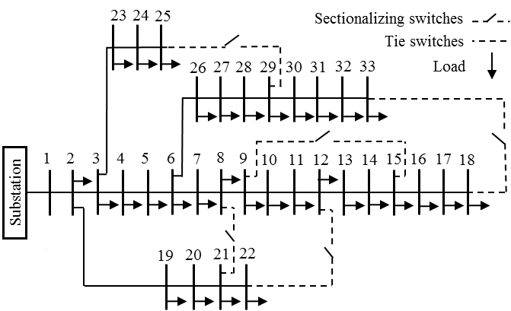
S_base (MVA) | V_base (kV) | Z_base (ohms) | Resistance and Reactance (ohms) |  | Resistance and Reactance (pu)* |  | Conductance and Susceptance (pu)* |  | Maximum Line Capacity
100 | 12.66 | 1.602756
 | From | To | R (ohms) | X (ohms) | R (pu) | X (pu) | G (pu) | B (pu) | P (KW) | Q (KVAR) | Bus Number | Nominal load
 |  |  |  |  |  |  |  |  |  |  |  | P (KW) | Q(KVAR)
 | 1 | 2 | 0.0922 | 0.0470 | 0.0575 | 0.0293 | 13.7980 | -7.0337 | 4600 | 4600 | 1 | 0 | 0
 | 2 | 3 | 0.4930 | 0.2511 | 0.3076 | 0.1567 | 2.5814 | -1.3148 | 4100 | 4100 | 2 | 100 | 60
 | 3 | 4 | 0.3660 | 0.1864 | 0.2284 | 0.1163 | 3.4772 | -1.7709 | 2900 | 2900 | 3 | 90 | 40
 | 4 | 5 | 0.3811 | 0.1941 | 0.2378 | 0.1211 | 3.3394 | -1.7008 | 2900 | 2900 | 4 | 120 | 80
 | 5 | 6 | 0.8190 | 0.7070 | 0.5110 | 0.4411 | 1.1213 | -0.9680 | 2900 | 2900 | 5 | 60 | 30
 | 6 | 7 | 0.1872 | 0.6188 | 0.1168 | 0.3861 | 0.7179 | -2.3729 | 1500 | 1500 | 6 | 60 | 20
 | 7 | 8 | 0.7114 | 0.2351 | 0.4439 | 0.1467 | 2.0311 | -0.6712 | 1050 | 1050 | 7 | 200 | 100
 | 8 | 9 | 1.0300 | 0.7400 | 0.6426 | 0.4617 | 1.0263 | -0.7374 | 1050 | 1050 | 8 | 200 | 100
 | 9 | 10 | 1.0440 | 0.7400 | 0.6514 | 0.4617 | 1.0218 | -0.7243 | 1050 | 1050 | 9 | 60 | 20
 | 10 | 11 | 0.1966 | 0.0650 | 0.1227 | 0.0406 | 7.3490 | -2.4297 | 1050 | 1050 | 10 | 60 | 20
 | 11 | 12 | 0.3744 | 0.1298 | 0.2336 | 0.0810 | 3.8215 | -1.3249 | 1050 | 1050 | 11 | 45 | 30
 | 12 | 13 | 1.4680 | 1.1550 | 0.9159 | 0.7206 | 0.6744 | -0.5306 | 500 | 500 | 12 | 60 | 35 | 33-Bus Single-Line Diagram
 | 13 | 14 | 0.5416 | 0.7129 | 0.3379 | 0.4448 | 1.0830 | -1.4255 | 450 | 450 | 13 | 60 | 35
 | 14 | 15 | 0.5910 | 0.5260 | 0.3687 | 0.3282 | 1.5132 | -1.3468 | 300 | 300 | 14 | 120 | 80
 | 15 | 16 | 0.7463 | 0.5450 | 0.4656 | 0.3400 | 1.4006 | -1.0228 | 250 | 250 | 15 | 60 | 10
 | 16 | 17 | 1.2890 | 1.7210 | 0.8042 | 1.0738 | 0.4469 | -0.5966 | 250 | 250 | 16 | 60 | 20
 | 17 | 18 | 0.7320 | 0.5740 | 0.4567 | 0.3581 | 1.3559 | -1.0632 | 100 | 100 | 17 | 60 | 20
 | 2 | 19 | 0.1640 | 0.1565 | 0.1023 | 0.0976 | 5.1150 | -4.8811 | 500 | 500 | 18 | 90 | 40
 | 19 | 20 | 1.5042 | 1.3554 | 0.9385 | 0.8457 | 0.5881 | -0.5299 | 500 | 500 | 19 | 90 | 40
 | 20 | 21 | 0.4095 | 0.4784 | 0.2555 | 0.2985 | 1.6551 | -1.9335 | 210 | 210 | 20 | 90 | 40
 | 21 | 22 | 0.7089 | 0.9373 | 0.4423 | 0.5848 | 0.8227 | -1.0878 | 110 | 110 | 21 | 90 | 40
 | 3 | 23 | 0.4512 | 0.3083 | 0.2815 | 0.1924 | 2.4216 | -1.6547 | 1050 | 1050 | 22 | 90 | 40
 | 23 | 24 | 0.8980 | 0.7091 | 0.5603 | 0.4424 | 1.0993 | -0.8681 | 1050 | 1050 | 23 | 90 | 50
 | 24 | 25 | 0.8960 | 0.7011 | 0.5590 | 0.4374 | 1.1095 | -0.8681 | 500 | 500 | 24 | 420 | 200
 | 6 | 26 | 0.2030 | 0.1034 | 0.1267 | 0.0645 | 6.2689 | -3.1931 | 1500 | 1500 | 25 | 420 | 200
 | 26 | 27 | 0.2842 | 0.1447 | 0.1773 | 0.0903 | 4.4786 | -2.2802 | 1500 | 1500 | 26 | 60 | 25
 | 27 | 28 | 1.0590 | 0.9337 | 0.6607 | 0.5826 | 0.8515 | -0.7508 | 1500 | 1500 | 27 | 60 | 25
 | 28 | 29 | 0.8042 | 0.7006 | 0.5018 | 0.4371 | 1.1331 | -0.9871 | 1500 | 1500 | 28 | 60 | 20
 | 29 | 30 | 0.5075 | 0.2585 | 0.3166 | 0.1613 | 2.5076 | -1.2772 | 1500 | 1500 | 29 | 120 | 70
 | 30 | 31 | 0.9744 | 0.9630 | 0.6080 | 0.6008 | 0.8321 | -0.8224 | 500 | 500 | 30 | 200 | 600
 | 31 | 32 | 0.3105 | 0.3619 | 0.1937 | 0.2258 | 2.1886 | -2.5509 | 500 | 500 | 31 | 150 | 70
 | 32 | 33 | 0.3410 | 0.5302 | 0.2128 | 0.3308 | 1.3753 | -2.1384 | 100 | 100 | 32 | 210 | 100
 | 8** | 21** | 2.0000 | 2.0000 | 1.2479 | 1.2479 | 0.4007 | -0.4007 | - | - | 33 | 60 | 40
 | 9* | 15** | 2.0000 | 2.0000 | 1.2479 | 1.2479 | 0.4007 | -0.4007 | - | -
 | 12* | 22** | 2.0000 | 2.0000 | 1.2479 | 1.2479 | 0.4007 | -0.4007 | - | -
 | 18** | 33** | 0.5000 | 0.5000 | 0.3120 | 0.3120 | 1.6028 | -1.6028 | - | -
 | 25** | 29** | 0.5000 | 0.5000 | 0.3120 | 0.3120 | 1.6028 | -1.6028 | - | -

* The per unit values are caculated based on the assumed MVA and kV bases which can be changed as per simulation requirment
‘**’ denotes a tie-line
References:
[1] | A. Wazir and N. Arbab, “Analysis and Optimization of IEEE 33 Bus Radial Distributed System Using Optimization Algorithm.”
[2] | N. Sahu, “Voltage Regulators Placement in Unbalanced Radial Distribution Systems for Loss Minimization Using Particle Swarm Optimization.”
[3] | M. P. Selvan and K. S. Swarup, “Distribution system load flow using object-oriented methodology,” in Power System Technology, 2004. PowerCon 2004. 2004 International Conference on, 2004, vol. 2, pp. 1168–1173.
[4] | R. D. Zimmerman, C. E. Murillo-Sánchez, and R. J. Thomas, "MATPOWER: Steady-State Operations, Planning and Analysis Tools for Power Systems Research and Education," Power Systems, IEEE Transactions on, vol. 26, no. 1, pp. 12-19, Feb. 2011.
[5] | C. E. Murillo-Sánchez, R. D. Zimmerman, C. L. Anderson, and R. J. Thomas, "Secure Planning and Operations of Systems with Stochastic Sources, Energy Storage and Active Demand," Smart Grid, IEEE Transactions on, vol. 4, no. 4, pp. 2220-2229, Dec. 2013.

69 BUS
System data for 69-Bus radial distribution network

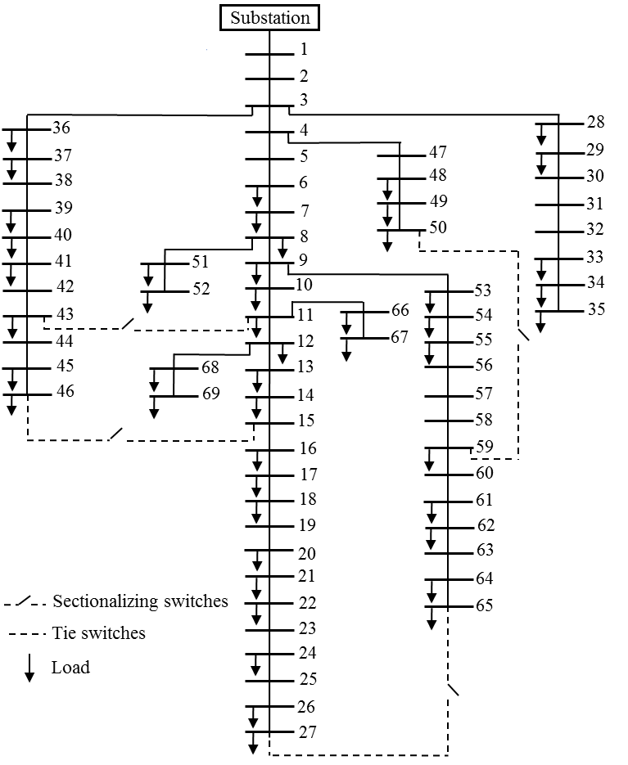
S_base (MVA) | V_base (kV) | Z_base (ohms) | Resistance and Reactance (ohms) |  | Resistance and Reactance (pu)* |  | Conductance and Susceptance (pu)* |  | Maximum Line Capacity
100 | 12.66 | 1.602756
Branch Number | From | To | Resistance (ohms) | Reactance (ohms) | R (pu) | X (pu) | G (pu) | B (pu) | S (KVA) | Bus Number | Nominal load
 |  |  |  |  |  |  |  |  |  |  | P (KW) | Q(KVAR)
 | 1 | 2 | 0.0005 | 0.0012 | 0.0003 | 0.0007 | 474.1882 | -1138.0516 | 10761 | 1 | 0 | 0
 | 2 | 3 | 0.0005 | 0.0012 | 0.0003 | 0.0007 | 474.1882 | -1138.0516 | 10761 | 2 | 0 | 0
 | 3 | 4 | 0.0015 | 0.0036 | 0.0009 | 0.0022 | 158.0627 | -379.3505 | 10761 | 3 | 0 | 0
 | 4 | 5 | 0.0251 | 0.0294 | 0.0157 | 0.0183 | 26.9205 | -31.5324 | 5823 | 4 | 0 | 0
 | 5 | 6 | 0.3660 | 0.1864 | 0.2284 | 0.1163 | 3.4772 | -1.7709 | 1899 | 5 | 0 | 0
 | 6 | 7 | 0.3811 | 0.1941 | 0.2378 | 0.1211 | 3.3394 | -1.7008 | 1899 | 6 | 2.6 | 2.2
 | 7 | 8 | 0.0922 | 0.0470 | 0.0575 | 0.0293 | 13.7980 | -7.0337 | 1899 | 7 | 40.4 | 30
 | 8 | 9 | 0.0493 | 0.0251 | 0.0308 | 0.0157 | 25.8180 | -13.1446 | 1899 | 8 | 75 | 54
 | 9 | 10 | 0.8190 | 0.2707 | 0.5110 | 0.1689 | 1.7642 | -0.5831 | 1455 | 9 | 30 | 22
 | 10 | 11 | 0.1872 | 0.0619 | 0.1168 | 0.0386 | 7.7179 | -2.5520 | 1455 | 10 | 28 | 19
 | 11 | 12 | 0.7114 | 0.2351 | 0.4439 | 0.1467 | 2.0311 | -0.6712 | 1455 | 11 | 145 | 104
 | 12 | 13 | 1.0300 | 0.3400 | 0.6426 | 0.2121 | 1.4032 | -0.4632 | 1455 | 12 | 145 | 104
 | 13 | 14 | 1.0440 | 0.3450 | 0.6514 | 0.2153 | 1.3841 | -0.4574 | 1455 | 13 | 8 | 5
 | 14 | 15 | 1.0580 | 0.3496 | 0.6601 | 0.2181 | 1.3658 | -0.4513 | 1455 | 14 | 8 | 5.5
 | 15 | 16 | 0.1966 | 0.0650 | 0.1227 | 0.0406 | 7.3490 | -2.4297 | 1455 | 15 | 0 | 0
 | 16 | 17 | 0.3744 | 0.1238 | 0.2336 | 0.0772 | 3.8589 | -1.2760 | 1455 | 16 | 45.5 | 30
 | 17 | 18 | 0.0047 | 0.0016 | 0.0029 | 0.0010 | 305.5965 | -104.0328 | 2200 | 17 | 60 | 35
 | 18 | 19 | 0.3276 | 0.1083 | 0.2044 | 0.0676 | 4.4104 | -1.4580 | 1455 | 18 | 60 | 35
 | 19 | 20 | 0.2106 | 0.0690 | 0.1314 | 0.0431 | 6.8727 | -2.2517 | 1455 | 19 | 0 | 0
 | 20 | 21 | 0.3416 | 0.1129 | 0.2131 | 0.0704 | 4.2299 | -1.3980 | 1455 | 20 | 1 | 0.6
 | 21 | 22 | 0.0140 | 0.0046 | 0.0087 | 0.0029 | 103.3274 | -33.9504 | 1455 | 21 | 114 | 81
 | 22 | 23 | 0.1591 | 0.0526 | 0.0993 | 0.0328 | 9.0813 | -3.0024 | 1455 | 22 | 5 | 3.5
 | 23 | 24 | 0.3463 | 0.1145 | 0.2161 | 0.0714 | 4.1721 | -1.3795 | 1455 | 23 | 0 | 0
 | 24 | 25 | 0.7488 | 0.2475 | 0.4672 | 0.1544 | 1.9296 | -0.6378 | 1455 | 24 | 28 | 20
 | 25 | 26 | 0.3089 | 0.1021 | 0.1927 | 0.0637 | 4.6776 | -1.5461 | 1455 | 25 | 0 | 0
 | 26 | 27 | 0.1732 | 0.0572 | 0.1081 | 0.0357 | 8.3438 | -2.7556 | 1455 | 26 | 14 | 10 | 69-Bus Single-Line Diagram
 | 3 | 28 | 0.0044 | 0.0108 | 0.0027 | 0.0067 | 51.8539 | -127.2777 | 10761 | 27 | 14 | 10
 | 28 | 29 | 0.0640 | 0.1565 | 0.0399 | 0.0976 | 3.5881 | -8.7739 | 10761 | 28 | 26 | 18.6
 | 29 | 30 | 0.3978 | 0.1315 | 0.2482 | 0.0820 | 3.6321 | -1.2007 | 1455 | 29 | 26 | 18.6
 | 30 | 31 | 0.0702 | 0.0232 | 0.0438 | 0.0145 | 20.5832 | -6.8024 | 1455 | 30 | 0 | 0
 | 31 | 32 | 0.3510 | 0.1160 | 0.2190 | 0.0724 | 4.1166 | -1.3605 | 1455 | 31 | 0 | 0
 | 32 | 33 | 0.8390 | 0.2816 | 0.5235 | 0.1757 | 1.7169 | -0.5763 | 2200 | 32 | 0 | 0
 | 33 | 34 | 1.7080 | 0.5646 | 1.0657 | 0.3523 | 0.8459 | -0.2796 | 1455 | 33 | 14 | 10
 | 34 | 35 | 1.4740 | 0.4873 | 0.9197 | 0.3040 | 0.9802 | -0.3241 | 1455 | 34 | 9.5 | 14
 | 3 | 36 | 0.0044 | 0.0108 | 0.0027 | 0.0067 | 51.8539 | -127.2777 | 10761 | 35 | 6 | 4
 | 36 | 37 | 0.0640 | 0.1565 | 0.0399 | 0.0976 | 3.5881 | -8.7739 | 10761 | 36 | 26 | 18.55
 | 37 | 38 | 0.1053 | 0.1230 | 0.0657 | 0.0767 | 6.4374 | -7.5195 | 5823 | 37 | 26 | 18.55
 | 38 | 39 | 0.0304 | 0.0355 | 0.0190 | 0.0221 | 22.3052 | -26.0472 | 5823 | 38 | 0 | 0
 | 39 | 40 | 0.0018 | 0.0021 | 0.0011 | 0.0013 | 377.1191 | -439.9722 | 5823 | 39 | 24 | 17
 | 40 | 41 | 0.7283 | 0.8509 | 0.4544 | 0.5309 | 0.9305 | -1.0872 | 5823 | 40 | 24 | 17
 | 41 | 42 | 0.3100 | 0.3623 | 0.1934 | 0.2260 | 2.1853 | -2.5540 | 5823 | 41 | 1.2 | 1
 | 42 | 43 | 0.0410 | 0.0478 | 0.0256 | 0.0298 | 16.5698 | -19.3179 | 5823 | 42 | 0 | 0
 | 43 | 44 | 0.0092 | 0.0116 | 0.0057 | 0.0072 | 67.2690 | -84.8174 | 5823 | 43 | 6 | 4.3
 | 44 | 45 | 0.1089 | 0.1373 | 0.0679 | 0.0857 | 5.6834 | -7.1656 | 5823 | 44 | 0 | 0
 | 45 | 46 | 0.0009 | 0.0012 | 0.0006 | 0.0007 | 641.1024 | -854.8032 | 6709 | 45 | 39.22 | 26.3
 | 4 | 47 | 0.0034 | 0.0084 | 0.0021 | 0.0052 | 66.3586 | -163.9448 | 10761 | 46 | 39.22 | 26.3
 | 47 | 48 | 0.0851 | 0.2083 | 0.0531 | 0.1300 | 2.6939 | -6.5939 | 10761 | 47 | 0 | 0
 | 48 | 49 | 0.2898 | 0.7091 | 0.1808 | 0.4424 | 0.7915 | -1.9368 | 10761 | 48 | 79 | 56.4
 | 49 | 50 | 0.0822 | 0.2011 | 0.0513 | 0.1255 | 2.7914 | -6.8290 | 10761 | 49 | 384.7 | 274.5
 | 8 | 51 | 0.0928 | 0.0473 | 0.0579 | 0.0295 | 13.7095 | -6.9877 | 1899 | 50 | 384.7 | 274.5
 | 51 | 52 | 0.3319 | 0.1114 | 0.2071 | 0.0695 | 4.3401 | -1.4567 | 2200 | 51 | 40.5 | 28.3
 | 9 | 53 | 0.1740 | 0.0886 | 0.1086 | 0.0553 | 7.3147 | -3.7246 | 1899 | 52 | 3.6 | 2.7
 | 53 | 54 | 0.2030 | 0.1034 | 0.1267 | 0.0645 | 6.2689 | -3.1931 | 1899 | 53 | 4.35 | 3.5
 | 54 | 55 | 0.2842 | 0.1447 | 0.1773 | 0.0903 | 4.4786 | -2.2802 | 1899 | 54 | 26.4 | 19
 | 55 | 56 | 0.2813 | 0.1433 | 0.1755 | 0.0894 | 4.5237 | -2.3045 | 1899 | 55 | 24 | 17.2
 | 56 | 57 | 1.5900 | 0.5337 | 0.9920 | 0.3330 | 0.9060 | -0.3041 | 2200 | 56 | 0 | 0
 | 57 | 58 | 0.7837 | 0.2630 | 0.4890 | 0.1641 | 1.8381 | -0.6168 | 2200 | 57 | 0 | 0
 | 58 | 59 | 0.3042 | 0.1006 | 0.1898 | 0.0628 | 4.7493 | -1.5706 | 1455 | 58 | 0 | 0
 | 59 | 60 | 0.3861 | 0.1172 | 0.2409 | 0.0731 | 3.8009 | -1.1538 | 1455 | 59 | 100 | 72
 | 60 | 61 | 0.5075 | 0.2585 | 0.3166 | 0.1613 | 2.5076 | -1.2772 | 1899 | 60 | 0 | 0
 | 61 | 62 | 0.0974 | 0.0496 | 0.0608 | 0.0309 | 13.0668 | -6.6542 | 1899 | 61 | 1244 | 888
 | 62 | 63 | 0.1450 | 0.0738 | 0.0905 | 0.0460 | 8.7793 | -4.4683 | 1899 | 62 | 32 | 23
 | 63 | 64 | 0.7105 | 0.3619 | 0.4433 | 0.2258 | 1.7911 | -0.9123 | 1899 | 63 | 0 | 0
 | 64 | 65 | 1.0410 | 0.5302 | 0.6495 | 0.3308 | 1.2225 | -0.6226 | 1899 | 64 | 227 | 162
 | 11 | 66 | 0.2012 | 0.0611 | 0.1255 | 0.0381 | 7.2934 | -2.2148 | 1455 | 65 | 59 | 42
 | 66 | 67 | 0.0047 | 0.0014 | 0.0029 | 0.0009 | 313.2205 | -93.2997 | 1455 | 66 | 18 | 13
 | 12 | 68 | 0.7394 | 0.2444 | 0.4613 | 0.1525 | 1.9541 | -0.6459 | 1455 | 67 | 18 | 13
 | 68 | 69 | 0.0047 | 0.0016 | 0.0029 | 0.0010 | 305.5965 | -104.0328 | 1455 | 68 | 28 | 20
 | 11** | 43** | 0.5000 | 0.5000 | 0.3120 | 0.3120 | 1.6028 | -1.6028 | 566 | 69 | 28 | 20
 | 13** | 21** | 0.5000 | 0.5000 | 0.3120 | 0.3120 | 1.6028 | -1.6028 | 566
 | 15** | 46** | 1.0000 | 1.0000 | 0.6239 | 0.6239 | 0.8014 | -0.8014 | 400
 | 50** | 59** | 2.0000 | 2.0000 | 1.2479 | 1.2479 | 0.4007 | -0.4007 | 283
 | 27** | 65** | 1.0000 | 1.0000 | 0.6239 | 0.6239 | 0.8014 | -0.8014 | 400

* The per unit values are caculated based on the assumed MVA and kV bases which can be changed as per simulation requirment
‘**’ denotes a tie-line

References:
[1] | R. D. Zimmerman, C. E. Murillo-Sánchez, and R. J. Thomas, "MATPOWER: Steady-State Operations, Planning and Analysis Tools for Power Systems Research and Education," Power Systems, IEEE Transactions on, vol. 26, no. 1, pp. 12-19, Feb. 2011.
[2] | C. E. Murillo-Sánchez, R. D. Zimmerman, C. L. Anderson, and R. J. Thomas, "Secure Planning and Operations of Systems with Stochastic Sources, Energy Storage and Active Demand," Smart Grid, IEEE Transactions on, vol. 4, no. 4, pp. 2220-2229, Dec. 2013.
[3] | R. Parasher, “Load flow analysis of radial distribution network using linear data structure,” ArXiv Prepr. ArXiv14034702, 2014.

